Select Campus Map
U-EASY (USC-Easy Assistant for Students and You)
SCREEN LAYOUT

<- Back to Screen List
 | Select Campus Map


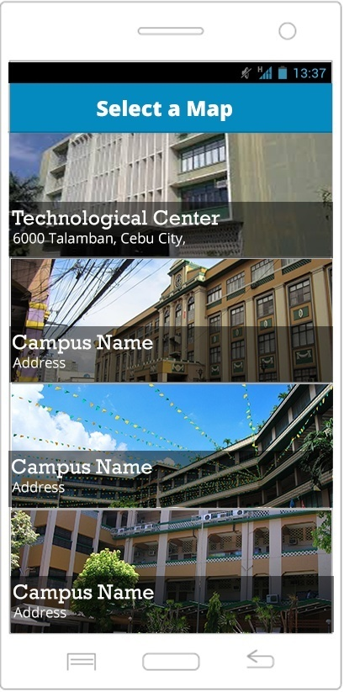

U-EASY (USC-Easy Assistant for Students and You)
FIELDS

 | Select Campus Map

 | Field Name |  |  |  |  |  | Data Type | Length | Field Type | Required | Lang |  | Default Value | Display Format | Example | Logic
 |  |  |  |  |  |  |  |  |  |  | EN | TH
 | Body Section
 | Title Screen Name |  |  |  |  |  | string | 50 | Text | Y | Y | Y
 | Campus Name |  |  |  |  |  | string | 50 | Text | Y | Y | Y
 | Address |  |  |  |  |  | string | 50 | Text | Y | Y | Y
 | LIST
 | USC - TC Image |  |  |  |  |  |  |  | button |  |  |  |  |  |  | Onclick, displays the USC - TC Map.
 | USC - DC Image |  |  |  |  |  |  |  | button |  |  |  |  |  |  | Onclick, displays the USC - DC Map.
 | USC - SC Image |  |  |  |  |  |  |  | button |  |  |  |  |  |  | Onclick, displays the USC - SC Map.
 | USC - NC Image |  |  |  |  |  |  |  | button |  |  |  |  |  |  | Onclick, displays the USC - NC Map.

U-EASY (USC-Easy Assistant for Students and You)
LOGIC

 | Select Campus Map

 |  |  | Use Case
 |  |  |  | Switch Map

 |  |  |  |  | Scenarios
 |  |  |  |  |  | Fill-up User information
 |  |  |  |  |  | 1. User cpens the app
 |  |  |  |  |  | 2. The loading screen will appear.
 |  |  |  |  |  | 3.User select/clicks a USC Campus Map

 |  | Other Details
 |  |  | - the splash screen only appears in 3 seconds
 |  |  | - onclick the image it will redirect to its correspoding Campus Map

USC MAP
U-EASY (USC-Easy Assistant for Students and You)
SCREEN LAYOUT

<- Back to Screen List
 | USC - TC

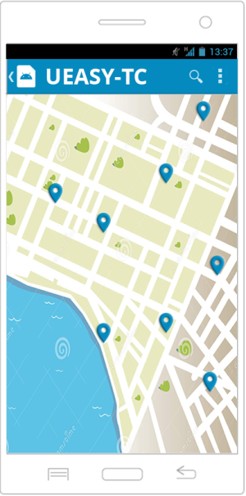
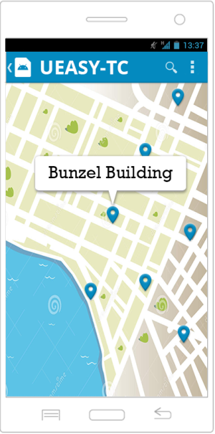

U-EASY (USC-Easy Assistant for Students and You)
FIELDS

 | USC - TC

 | Field Name |  |  |  |  |  | Data Type | Length | Field Type | Required | Lang |  | Default Value | Display Format | Example | Logic
 |  |  |  |  |  |  |  |  |  |  | EN | TH
 | Body Section
 | Title Screen Name |  |  |  |  |  | string | 50 | Text | Y | Y | Y
 | Address |  |  |  |  |  | string | 50 | Text | Y | Y | Y
 | Map Image |  |  |  |  |  |  |  | Image |  |  |  |  |  |  | User can zoom in/out and drag the image
 | Buttons
 | Back |  |  |  |  |  |  |  | button |  |  |  |  |  |  | Onclick, redirects the user to Select Campus Map
 | Search |  |  |  |  |  |  |  | button |  |  |  |  |  |  | Onclick, redirects the user to Search page
 | Quick Menu |  |  |  |  |  |  |  | button |  |  |  |  |  |  | Onclick, pops up the Category, Search, Map, About
 | Map Marker |  |  |  |  |  |  |  | button |  |  |  |  |  |  | Onclick, tooltip will pop-up
 | Tooltip |  |  |  |  |  |  |  | button |  |  |  |  |  |  | Onclick, redirects the user to Amenity Information page

U-EASY (USC-Easy Assistant for Students and You)
LOGIC

 | USC - TC

 |  |  | Use Case
 |  |  |  | USC MAP
 |  |  |  |  | Scenarios
 |  |  |  |  |  | Fill-up User information
 |  |  |  |  |  | 1. User opens the application
 |  |  |  |  |  | 2. The app will display the Campus Maps after the loading screen
 |  |  |  |  |  | 3. User will select one Campus Map.
 |  |  |  |  |  | 4. If the user clicks the map marker, a tooltip will pop-up.
 |  |  |  |  |  | 5. If the user clicks the search button, he will be redirected to Search page.
 |  |  |  |  |  | 6. If the user clicks the Action Overflow, it will pops up a quick options: Category, Map, Search, About
 |  |  |  |  |  | 7. If the user clicks the back button, user will be redirected to Campus Maps page.
 |  |  |  |  |  | 8. If the user clicks the tooltip, he will be redirected to View Amenity Information page.

 |  | Other Details
 |  | - The Quick Menu contains Category, Map, Search and About

Search
U-EASY (USC-Easy Assistant for Students and You)
SCREEN LAYOUT

<- Back to Screen List
 | Search

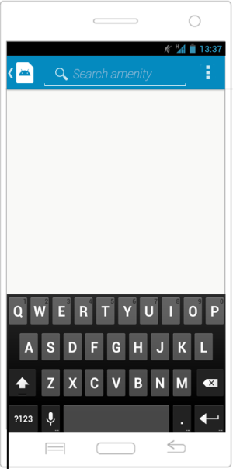
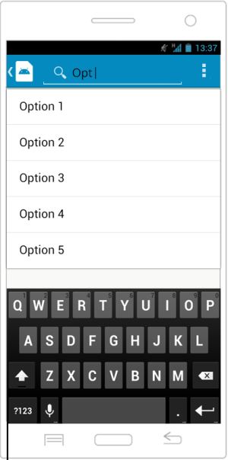
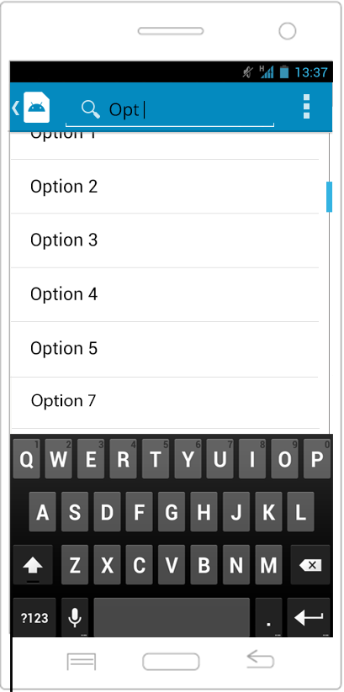

U-EASY (USC-Easy Assistant for Students and You)
FIELDS

 | Search

 | Field Name |  |  |  |  |  | Data Type | Length | Field Type | Required | Lang |  | Default Value | Display Format |  | Example | Logic
 |  |  |  |  |  |  |  |  |  |  | EN | TH
 | Body Section
 | Form
 | Search |  |  |  |  |  | string | 20 | textbox | Y | Y |  |  |  |  |  | It does not accept anymore input if it exceeds the limit.
 | Buttons
 | Scrollable Items |  |  |  |  |  |  |  | button |  |  |  |  |  |  |  | Onclick, redirects user to Amenity Information page and it will only display 20 items
 | Back |  |  |  |  |  |  |  | button |  |  |  |  |  |  |  | Onclick, redirects user to USC MAP page.
 | Quick Menu |  |  |  |  |  |  |  | button |  |  |  |  |  |  |  | Onclick, pops up the Category, Search, Map, About

U-EASY (USC-Easy Assistant for Students and You)
LOGIC

 | Search

 |  |  | Use Case
 |  |  |  | Search

 |  |  |  |  | Scenarios
 |  |  |  |  |  | Fill-up User information
 |  |  |  |  |  | 1. User clicks on the Search button from the USC MAP or the user clicks the action overflow and clicks the Search
 |  |  |  |  |  | 2. System displays the Search page.
 |  |  |  |  |  | 3. User type an Amenity name.
 |  |  |  |  |  | 4. App validates the user input.
 |  |  |  |  |  | 5. The suggested name will be displayed.
 |  |  |  |  |  | 6. User clicks the suggested Amenity name.
 |  |  |  |  |  | 7. User will be redirected to Amenity Information.

 |  | Other Details
 |  | - The Quick Menu contains Category, Map, Search and About
 |  |  | - the user will be notified if there's no match amenity name
 |  |  | - missing required fields are checked.
 |  |  | - scrollable items that limits only until 20 amenities if there are too many amenity suggestions
 |  |  | - Amenity suggestions are alphanumerically ordered

U-EASY (USC-Easy Assistant for Students and You)
NOTIFICATIONS

 | Search

 |  | Display the following messages as a popup in the same window.

 |  |  |  |  | Scenario |  |  |  |  |  |  |  |  |  | Message
 |  |  |  |  | No match in user input data |  |  |  |  |  |  |  |  |  | No Items match your search.

Category
U-EASY (USC-Easy Assistant for Students and You)
SCREEN LAYOUT

<- Back to Screen List
 | Screen Name

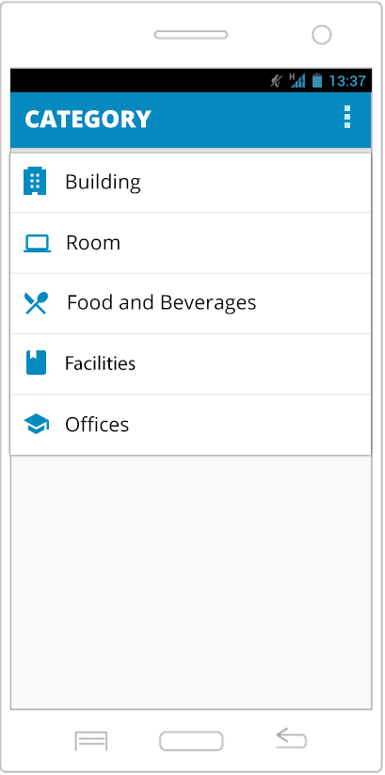
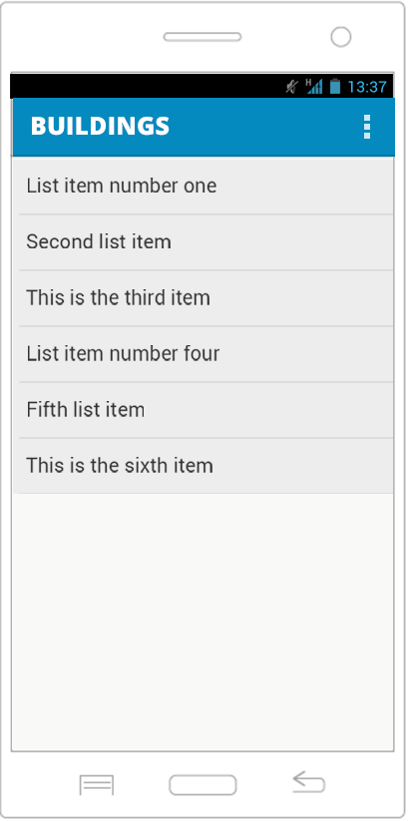
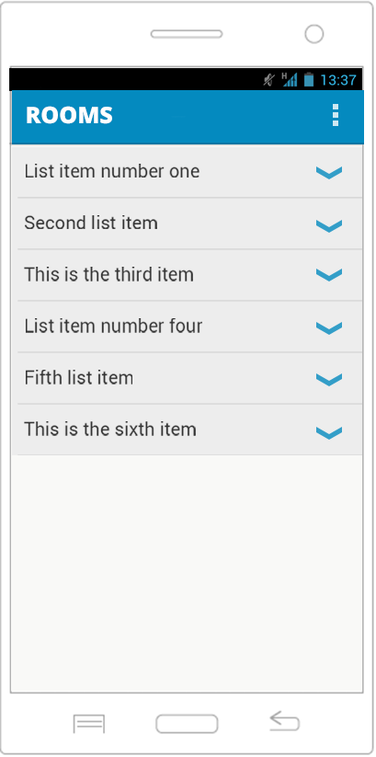

U-EASY (USC-Easy Assistant for Students and You)
FIELDS

 | Screen Name

 | Field Name |  |  |  |  |  | Data Type | Length | Field Type | Required | Lang |  | Default Value | Display Format | Example | Logic
 |  |  |  |  |  |  |  |  |  |  | EN | TH
 | Body Section
 | Title Screen Name |  |  |  |  |  | string | 20 | textview | Y | Y
 | Buttons
 | Offices |  |  |  |  |  |  |  | button |  |  |  |  |  |  | Onclick, redirects user to List ofOffices page.
 | Food and Beverages |  |  |  |  |  |  |  | button |  |  |  |  |  |  | Onclick, redirects user to List of Foods and Beverages page.
 | Facilities |  |  |  |  |  |  |  | button |  |  |  |  |  |  | Onclick, redirects user to List of Facilities page.
 | Quick Menu |  |  |  |  |  |  |  | button |  |  |  |  |  |  | Onclick, pops up the Category, Search, Map, About

U-EASY (USC-Easy Assistant for Students and You)
LOGIC

 | Screen Name

 |  |  | Use Case
 |  |  |  | Category

 |  |  |  |  | Scenarios
 |  |  |  |  |  | 1. User clicks on the Category option from the Quick Menu.
 |  |  |  |  |  | 2. System displays the Category page.
 |  |  |  |  |  | 2. User clicks a specific category.
 |  |  |  |  |  | 3. User will be redirected to the specific category page.
 |  |  |  |  |  | 4. The Room category is unique. It will display an expandable list of Room codes.
 |  |  |  |  |  | 5. Clicking the expand button will display all the Rooms under the specific room code.
 |  |  |  |  |  | 6. If the user clicks an amenity in the specific category, user will be redirected to its amenity information.

 |  | Other Details
 |  | - The Quick Menu contains Category, Map, Search and About

Menu
U-EASY (USC-Easy Assistant for Students and You)
SCREEN LAYOUT

<- Back to Screen List
 | Screen Name

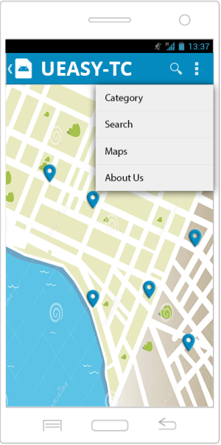

U-EASY (USC-Easy Assistant for Students and You)
FIELDS

 | Screen Name

 | Field Name |  |  |  |  | Data Type | Length | Field Type | Required | Lang |  | Default Value | Display Format |  | Example | Logic
 |  |  |  |  |  |  |  |  |  | EN | TH
 | Body Section
 | Buttons
 | Quick Menu |  |  |  |  |  |  | button |  |  |  |  |  |  |  | Onclick, pops up the Category, Search, Map, About
 | Category |  |  |  |  |  |  | button |  |  |  |  |  |  |  | Onclick, redirects to Category page.
 | Search |  |  |  |  |  |  | button |  |  |  |  |  |  |  | Onclick, redirects to Search page.
 | Maps |  |  |  |  |  |  | button |  |  |  |  |  |  |  | Onclick, redirects to Map page.
 | About Us |  |  |  |  |  |  | button |  |  |  |  |  |  |  | Onclick, redirects to About page.

U-EASY (USC-Easy Assistant for Students and You)
LOGIC

 | Screen Name

 |  |  |  | Scenarios
 |  |  |  |  | 1. User clicks the action overflow button in any page except in About page.
 |  |  |  |  | 2. Display the Quick Menu.
 |  |  |  |  | 3. If the user clicks any option on the Quick Menu, he/she will be redirected to its respective page.

 |  | Other Details
 |  |  | - To hide the menu, the user can click anywhere or click the Menu button again
 |  |  | - The Quick Menu contains Category, Map, Search and About

U-EASY (USC-Easy Assistant for Students and You)
NOTIFICATIONS

 | Screen Name

 |  | Display the following messages as a popup in the same window.

 |  |  |  | Scenario |  |  |  |  |  |  |  |  |  | Message
 |  |  |  | Quick Menu's |  |  |  |  |  |  |  |  |  | Category <NextLine> Search <NextLine> Maps <NextLine> About Us

Buidling Informations
U-EASY (USC-Easy Assistant for Students and You)
SCREEN LAYOUT

<- Back to Screen List
 | Buidling Informations

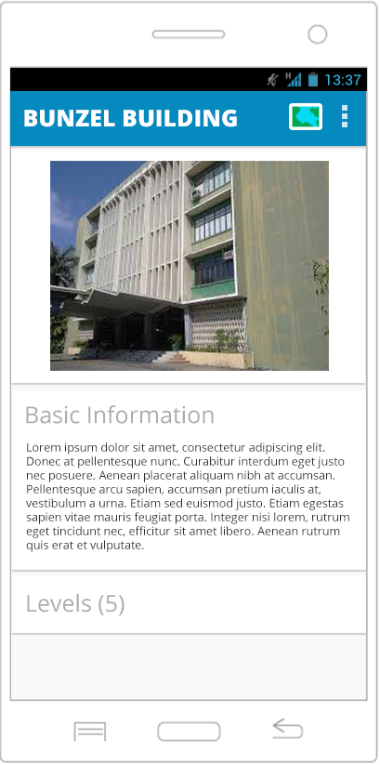
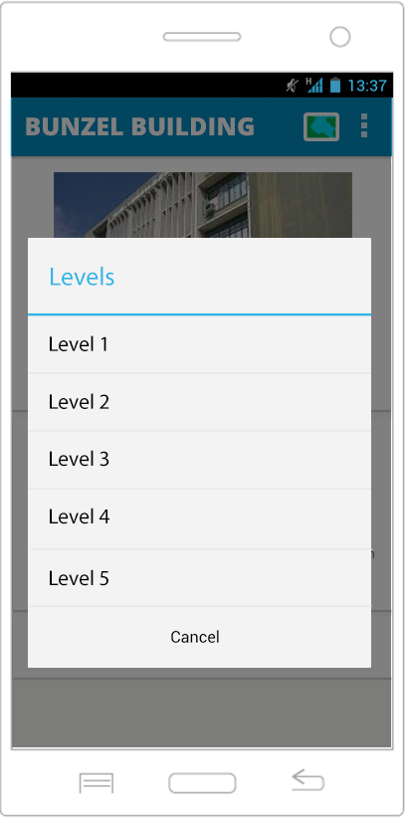
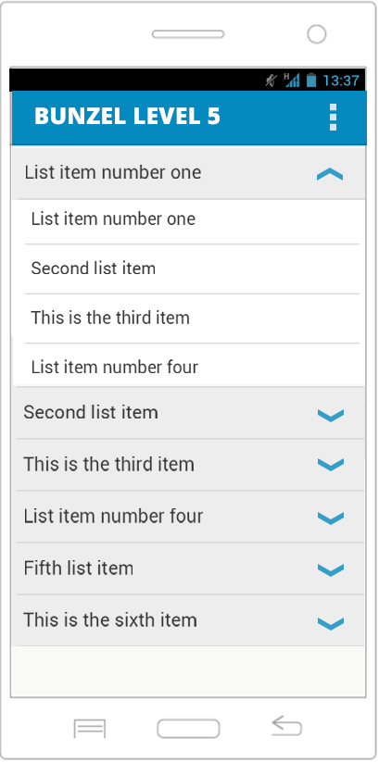

U-EASY (USC-Easy Assistant for Students and You)
FIELDS

 | Buidling Informations

 | Field Name |  |  |  |  |  | Data Type | Length | Field Type | Required | Lang |  | Default Value | Display Format |  | Example | Logic
 |  |  |  |  |  |  |  |  |  |  | EN | TH
 | Body Section
 | Title Screen Name |  |  |  |  |  | string | 20 | textview | Y | Y
 | Description |  |  |  |  |  | string | 1000 | textview | Y | Y
 | Buttons
 | Quick Menu |  |  |  |  |  |  |  | button |  |  |  |  |  |  |  | Onclick, pops up the Category, Search, Map, About
 | Image |  |  |  |  |  |  |  | button |  |  |  |  |  |  |  | Onclick, the redirects user to the Map page
 | Levels |  |  |  |  |  |  |  | button |  |  |  |  |  |  |  | Onclick, the levels will pop up
 | Canel |  |  |  |  |  |  |  | button |  |  |  |  |  |  |  | Onclick, hides the pop up
 | Level Number |  |  |  |  |  |  |  | button |  |  |  |  |  |  |  | Onclick, redirects user to level number page.
 | Collapse |  |  |  |  |  |  |  | button |  |  |  |  |  |  |  | Onclick, collapse items of the list of Amenities
 | Expand |  |  |  |  |  |  |  | button |  |  |  |  |  |  |  | Onclick, expand items of the list of Amenities
 | Amenity Name |  |  |  |  |  |  |  | button |  |  |  |  |  |  |  | Onclick, redirets user to the Amenity Information page

U-EASY (USC-Easy Assistant for Students and You)
LOGIC

 | Buidling Informations

 |  |  | Use Case
 |  |  |  | View Amenity Information
 |  |  |  |  | a. Building Information

 |  |  |  |  | Scenarios
 |  |  |  |  |  | 1. User clicks the tooltip or specific category.
 |  |  |  |  |  | 2. App displays the Building Information page.
 |  |  |  |  |  | 3. User scrolls up and down.
 |  |  |  |  |  | 4. User clicks on the Level button.
 |  |  |  |  |  | 5 A pop-up window will show.
 |  |  |  |  |  | 6. The user clicks a level.
 |  |  |  |  |  | 7. List of Amenity names on the level will be displayed.
 |  |  |  |  |  | 8. If the user clicks an amenity, redirects to Amenity Information

 |  | Other Details
 |  | - The Quick Menu contains Category, Map, Search and About
 |  | - Clicking the Image will redirect the user to the Map page that has a Map Markers of the Buildings
 |  | - The Level button will pops u p the list of Levels
 |  | - Collapse button will hide the list of Amenities of the specific List in level
 |  | - Expand button will show the list of Amenities of the specific List in level

U-EASY (USC-Easy Assistant for Students and You)
NOTIFICATIONS

 | Buidling Informations

 |  | Display the following messages as a popup in the same window.

 |  |  |  |  | Scenario |  |  |  |  |  |  |  |  |  | Message
 |  |  |  |  | Clicking the Levels button |  |  |  |  |  |  |  |  |  | Level 1 <Enterspace> Level 2 <Enterspace>.and so on.

Room Informations
U-EASY (USC-Easy Assistant for Students and You)
SCREEN LAYOUT

<- Back to Screen List
 | Room Informations

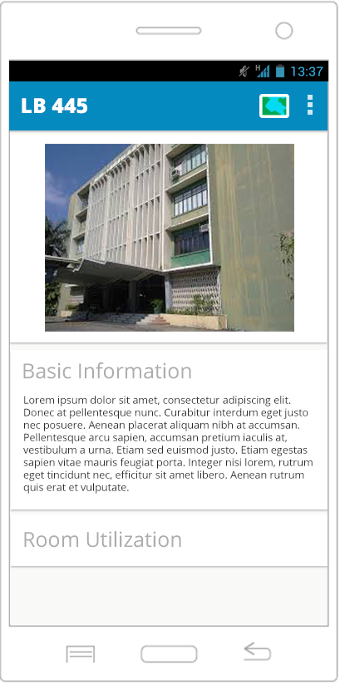
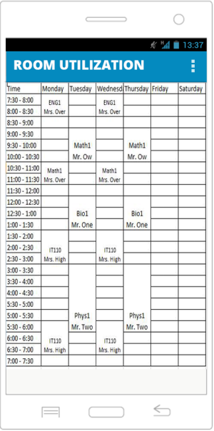

U-EASY (USC-Easy Assistant for Students and You)
FIELDS

 | Room Informations

 | Field Name |  |  |  |  |  | Data Type | Length | Field Type | Required | Lang |  | Default Value | Display Format | Example | Logic
 |  |  |  |  |  |  |  |  |  |  | EN | TH
 | Body Section
 | Buttons
 | Room Utilization |  |  |  |  |  |  |  | button |  |  |  |  |  |  | Onclick, redirects user to Room Utilization page.

U-EASY (USC-Easy Assistant for Students and You)
LOGIC

 | Room Informations

 |  |  | Use Case
 |  |  |  | View Amenity Information
 |  |  |  |  | b.Room Information
 |  |  |  |  | Scenarios
 |  |  |  |  |  | 1. User clicks the tooltip or specific category.
 |  |  |  |  |  | 2. App displays the Room Information page.
 |  |  |  |  |  | 3. User scrolls up and down.
 |  |  |  |  |  | 4. User clicks on the Room Utilization button.
 |  |  |  |  |  | 5 User will be redirected to to Room Utilization page.

 |  | Other Details
 |  |  | None

Other Amenity Info
U-EASY (USC-Easy Assistant for Students and You)
SCREEN LAYOUT

<- Back to Screen List
 | Amenity Informations (Offices, Department, Comfort Rooms, Laboratories, Food and Beverages, and Facilities)
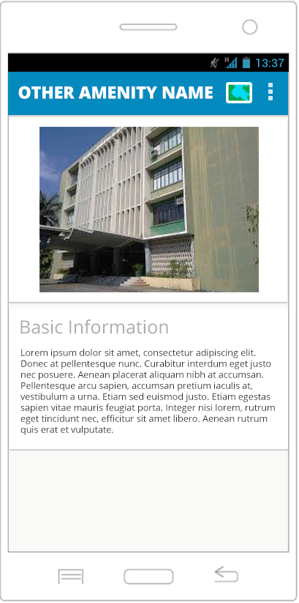

U-EASY (USC-Easy Assistant for Students and You)
FIELDS

 | Amenity Informations (Offices, Department, Comfort Rooms, Laboratories, Food and Beverages, and Facilities)

 | Field Name |  |  |  |  |  | Data Type | Length | Field Type | Required | Lang |  | Default Value | Display Format | Example | Logic
 |  |  |  |  |  |  |  |  |  |  | EN | TH
 | Body Section
 | Buttons
 | Map |  |  |  |  |  |  |  | button |  |  |  |  |  |  | Onclick, redirects user to Map.

U-EASY (USC-Easy Assistant for Students and You)
LOGIC

 | Amenity Informations (Offices, Department, Comfort Rooms, Laboratories, Food and Beverages, and Facilities)

 |  |  | Use Case
 |  |  |  | View Amenity Information
 |  |  |  |  | d. Fill up User Information Form

 |  |  |  |  | Scenarios
 |  |  |  |  |  | Fill-up User information
 |  |  |  |  |  | 1. User clicks the tooltip or specific category.
 |  |  |  |  |  | 2. App displays the Amenity Information page.
 |  |  |  |  |  | 3. User scrolls up and down.

 |  | Other Details
 |  |  | None

About Us
U-EASY (USC-Easy Assistant for Students and You)
SCREEN LAYOUT

<- Back to Screen List
 | About Us
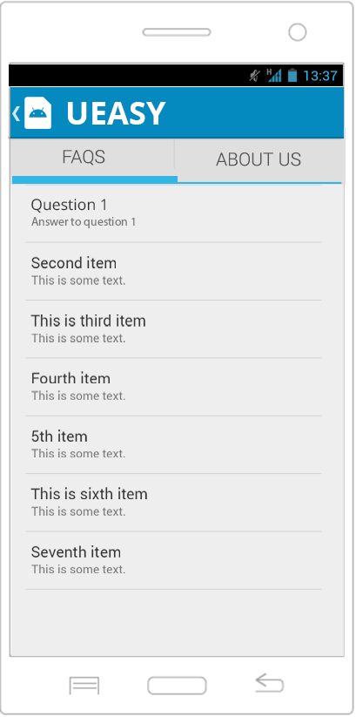
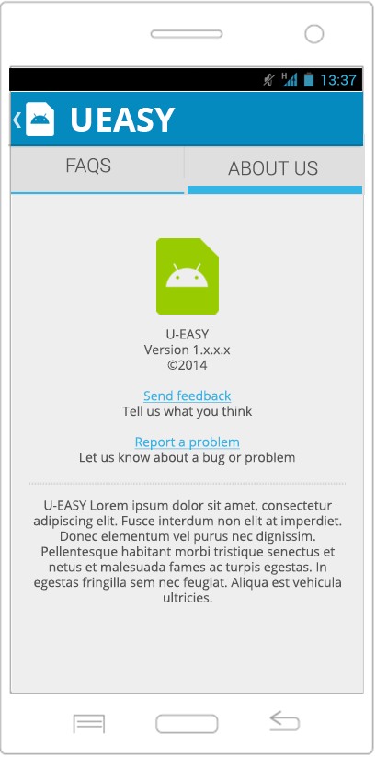

U-EASY (USC-Easy Assistant for Students and You)
FIELDS

 | About Us

 | Field Name |  |  |  |  |  | Data Type | Length | Field Type | Required | Lang |  | Default Value | Display Format | Example | Logic
 |  |  |  |  |  |  |  |  |  |  | EN | TH
 | Body Section
 | Buttons
 | FAQ's |  |  |  |  |  |  |  | button |  |  |  |  |  |  | Onclick, displays the FAQ's page.
 | About Us |  |  |  |  |  |  |  | button |  |  |  |  |  |  | Onclick, diplays About Us page.

U-EASY (USC-Easy Assistant for Students and You)
LOGIC

 | About Us

 |  |  | Use Case
 |  |  |  | View About

 |  |  |  |  | Scenarios
 |  |  |  |  |  | 1. User clicks on the About option from the Quick Menu in any page except the About Page.
 |  |  |  |  |  | 2. App displays a tabbed page; FAQs will be displayed on default.
 |  |  |  |  |  | 3. User clicks the FAQ tab.
 |  |  |  |  |  | 3. The FAQs page will display.
 |  |  |  |  |  | 4. User clicks on the About Us tab.
 |  |  |  |  |  | 5. The About Us page will display.

 |  | Other Details
 |  |  | None

